Sheet1
Autonomous System Logbook Yaris Cross GT HEV

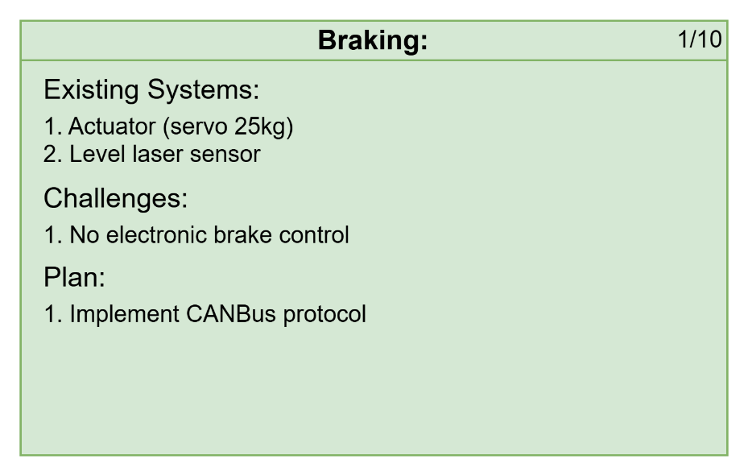
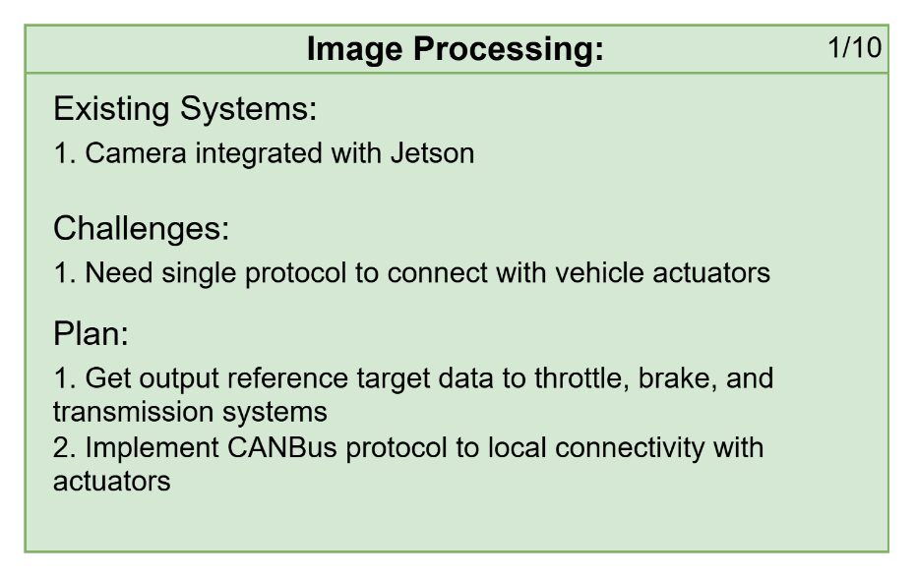
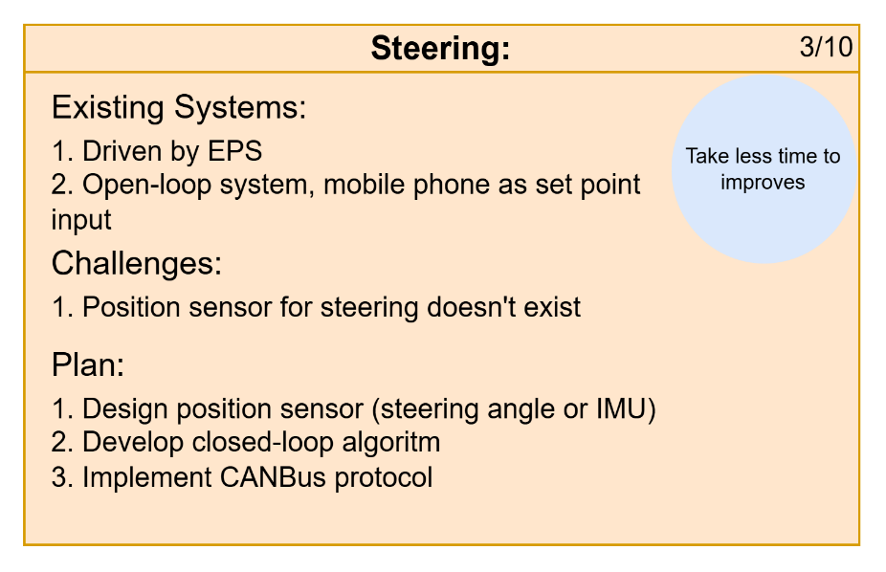
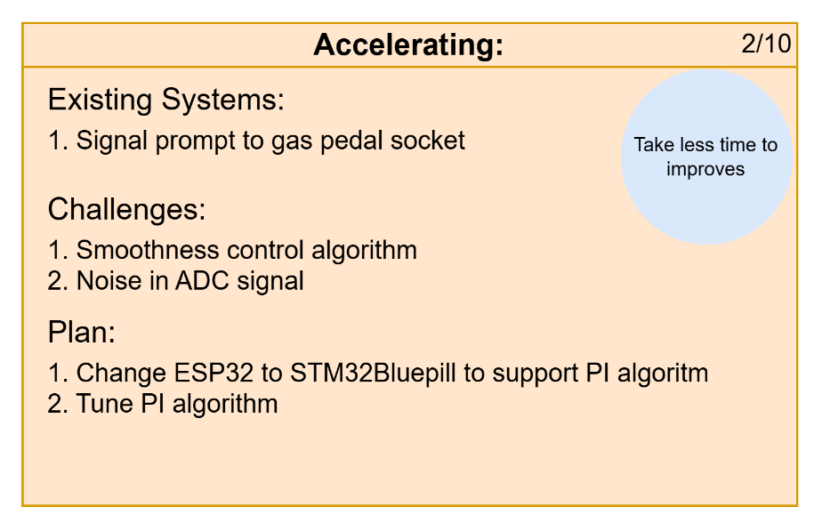
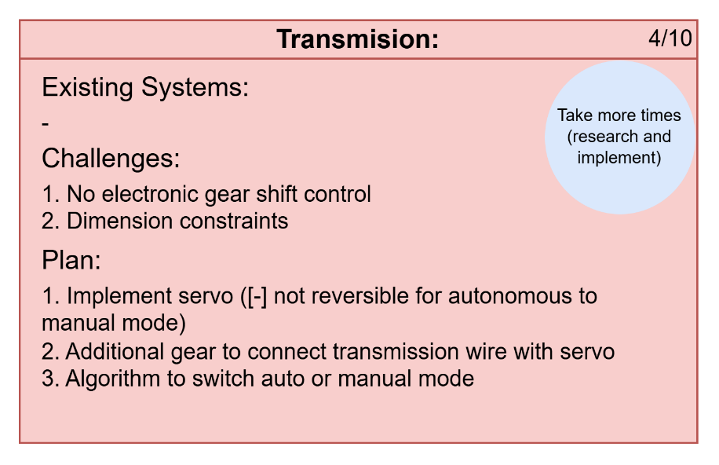

Attentions:
1. Learn and hands-on jetson
2. Detail electrical architecture with real placement in car
3. Discuss about proposed ideas
4. Full documentation and code
5. ROS 2 documentation and demonstration

